Sheet1
Budget For Small Business Owners
By Desert Wealth Management
We like to think that a budget has 3 different buckets
Information and interactive calculators are made available to you as self-help tools for your indepedent use and are not intended to provide investment advice. We cannot and do not guarantee their applicability or accuracy in regards to your individual circumstances. All examples are hypothetical and are for illustrative purposes. We encourage you to seek personalized advice from qualified professionals regarding all personal finance issues.

Basic Income and Expenses Bucket
Savings Bucket
Fun Expenses Bucket

When you are a small business owner, your income and expenses vary each month.

This is why it is important to update your budget every month so that you know how much money you can spend on fun items while also meeting your savings goals.
This is the number you want to focus on as it gives you an idea of what you can spend on fun items each month without guilt because you are still saving toward your goals! :)
For this calculator, you will input different numbers in each bucket to calculate how much you can save and spend each month.
Step #1: List your basic income and expenses
Change the numbers highlighted in gray
Step #2: Enter your monthly savings goal
Change the numbers highlighted in gray
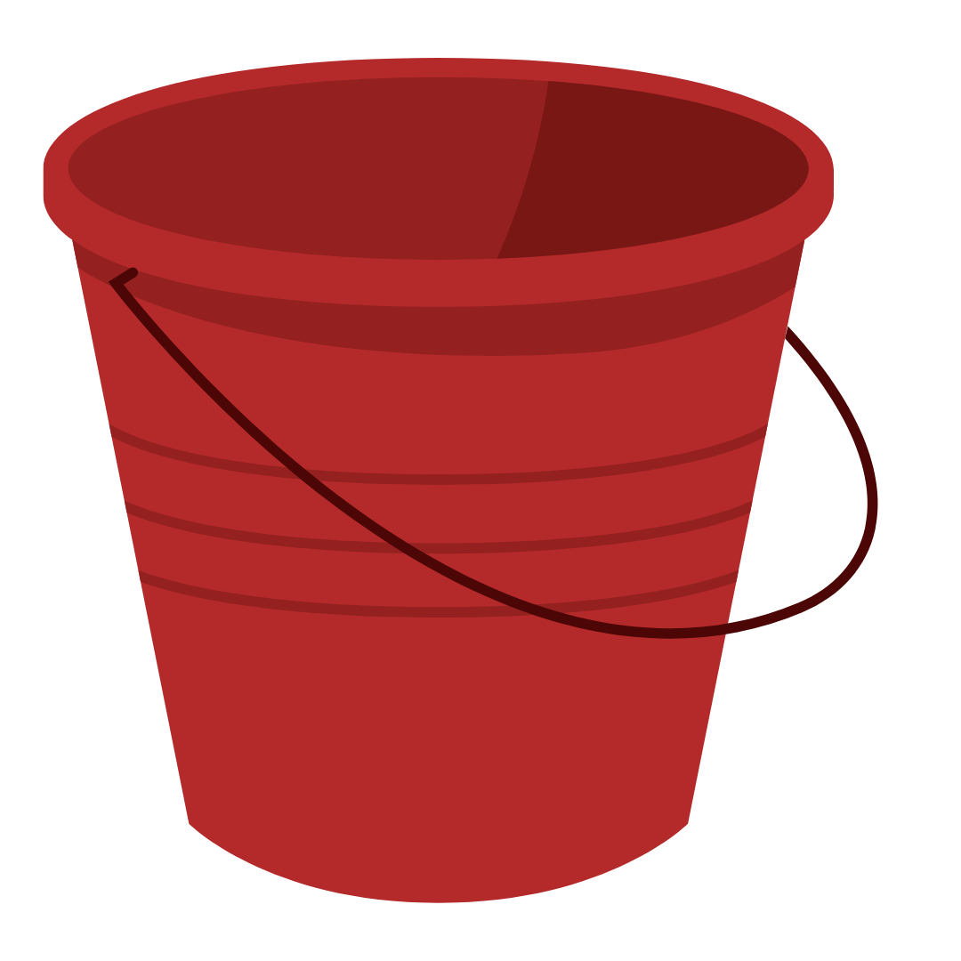
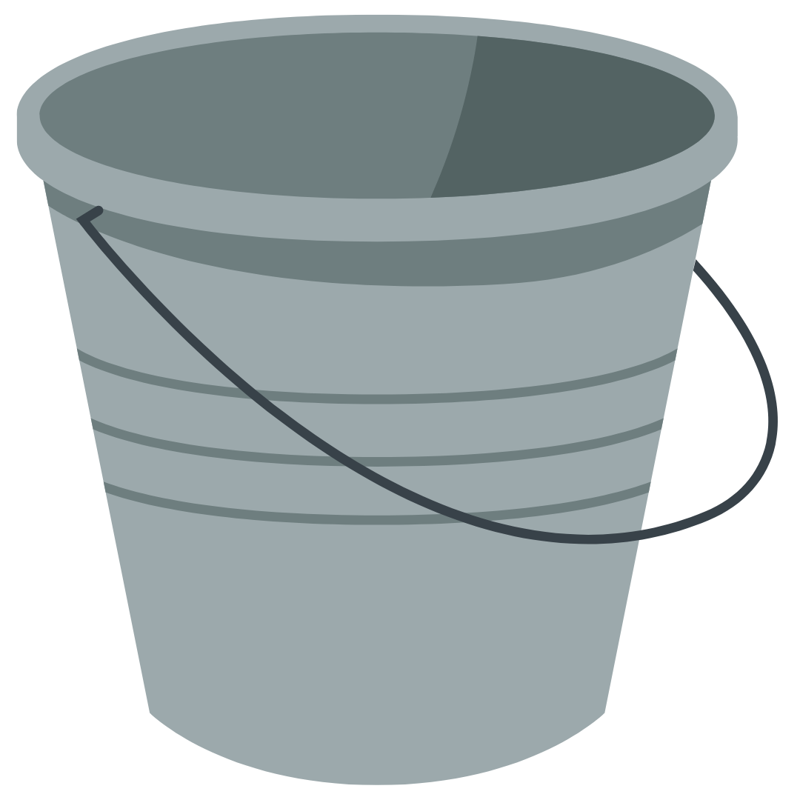
Step #3: Calculate fun expenses monthly bucket

Total amount to spend on fun expenses each month.
(Don't change this box, the number is automatically calculated)
Current Monthly Income | $7,000.00 | Annual Savings Goal | $20,000.00 | $2,133.33

Calculated Monthly
Amount you need to save.
(Don't change this box, the number is automatically calculated)
Current Mandatory Expenses | $3,200.00 |  | $1,666.67

Set up automatic contributions for this number!
Try to stick to this number each month for your fun money spending amount.
Amount left over at the end of the month (Don't change this box, the number is automatically calculated) | $3,800.00
This is the amount you can choose to save or spend!

