Sheet1
Building Your Budget Calculator
By Desert Wealth Management
Information and interactive calculators are made available to you as self-help tools for your indepedant use and are not intended to provide investment advice. We cannot and do not guarantee their applicability or accuracy in regards to your individual circumstances. All examples are hypothetical and are for illustrative purposes. We encourage you to seek personalized advice from qualified professionals regarding all personal finance issues.
We like to think that a budget has 3 different buckets

Basic Income and Expenses Bucket
Savings Bucket
Fun Expenses Bucket

For this calculator, you will input different numbers in each bucket to calculate how much you can save and spend each month and what impact it can make on your life.


Step #1: List your basic income and expenses
Change the numbers highlighted in gray
Step #2: Enter your monthly savings goal
Change the numbers highlighted in gray
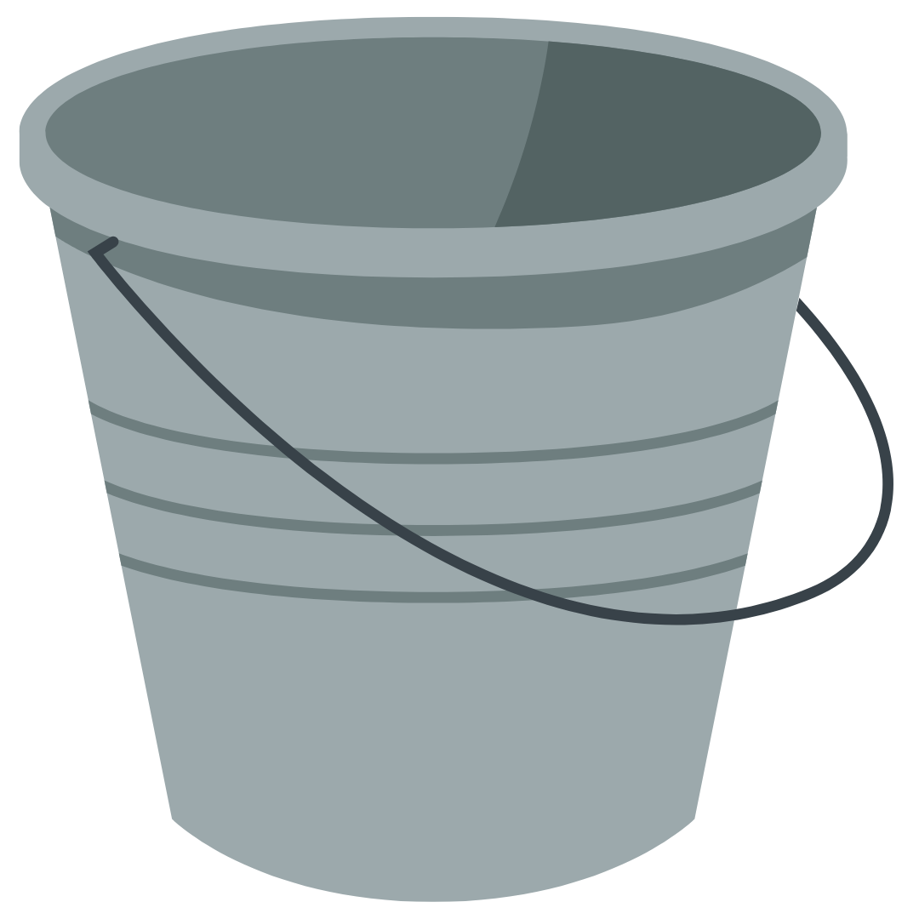
Step #3: Calculate fun expenses monthly bucket

Total amount to spend on fun expenses each month.
(Don't change this box, the number is automatically calculated)
Current Monthly Income | $4,000.00 | Annual Savings Goal | $11,000.00 | $1,083.33

Calculated Monthly
Amount you need to save.
(Don't change this box, the number is automatically calculated)
Current Mandatory Expenses | $2,000.00 |  | $916.67

Set up automatic contributions for this number!
Try to stick to this number each month for your fun money spending amount.
Amount left over at the end of the month (Don't change this box, the number is automatically calculated) | $2,000.00
This is the amount you can choose to save or spend!

